Product
PT. NUTRIFOOD INDONESIA |  |  | KODE FORM : F.Q.201


PENGEMBANGAN KONSEP AWAL PRODUK BARU
( PKP )
Tropicana Slim
Lotus Biscoff (Teratai)
Author |  | : | Annice
Last Updated On |  | : | 2020-07-17
 | Revision No | : | 0
Background
Idea | Tropicana Slim Sugar Free Lotus Biscoff Biscuit
Target market | MF 25+ Upper 1,2
Uniqueness of idea | weak - moderate - strong
Estimated potential market | niche - in between - mass
Reason(s) | Lotus Biscoff Caramel is the new flavour trend in dessert, beside oreo, matcha and ovomaltin. It has unique speculoos flavor & crunchy texture, used in most of "kekinian" dessert from coffee to cake
Market Analysis
Launch Deadline | 2021
Aisle Placement | Biskuit, di sebelah TS Hokkaido Cookies
Sales Forecast | Rp50,000,000

NF Selling Price | Rp17,000
Consumer Price Target | Rp21,290

Main Competitor | Lotus Biscoff
Competitive Analysis | TBN vs Lotus, HTT min 4.0 (T2B min 40%)
Product Features
Product Form | Biscuit
Product Packaging | Box with serving sachet (2 biscuit/sachet)
Kategori Pangan (BPOM) | 07.2.1 Biskuit/Kukis
Prefered Flavour | Lotus Biscoff
Product Benefits | Sugar Free

Mandatory Ingredients
Related Picture | see sheet reference

ATTENTION!
 | compulsory; filled by QBX (brand function) Managers
 | should only be filled with great certainty
 | should only be filled after discussion with QPA
Service Level Agreements | Lead Time QBX (brand function) |  | 5 workdays
 | Lead Time QPA (product development function) |  | [1 (benefits) + 2 (COGS)] = 2 workdays
 | Lead Time Revision |  | 2 workdays
Processes | After being filled. HOD approval request. Then, forward to RD as low priority project. Will be further prioritized in PV Cross Funct Mtg. Meanwhile, RD can prepare SLA projection to propose into PV's SLA for the project based on capacity and feasibility.

 |  |  | Revisi / Berlaku : 04 / 24.02.10
 |  |  | Lama Simpan : Selamanya

Market

Merk | Harga | gram | Harga/gram | Harga per 100 gram
Lotus Biscoff Biscuit Caramel | Rp33,000 | 155 | 212.9 | Rp21,290
Verkade Spekulas Biskuit | Rp14,500 | 200 | 72.5 | Rp7,250

 |  |  | HET Avg | Rp21,290
 |  |  | Price List | Rp17,032
 |  |  | Bulatkan | Rp17,000

Market Potency
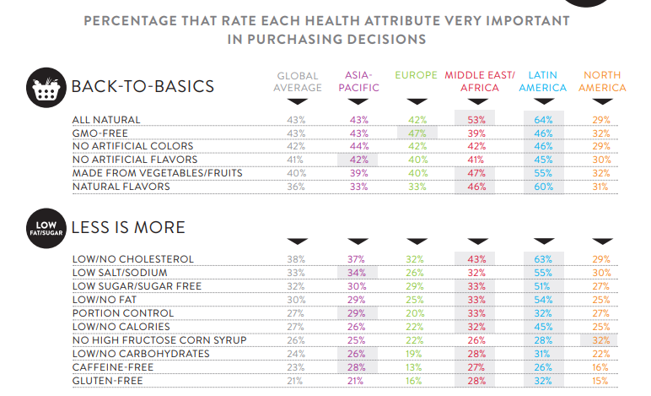
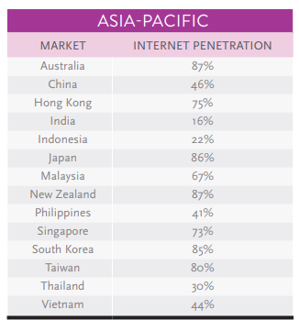

Jumlah penduduk Indonesia |  | 267,000,000
SES SU, U12 |  | 30% | Indonesian population
MF, 25-50 |  | 38% | Indonesian population
Snacking |  | 50%
Suka Lotus Biscoff |  | 5%
Healthy Concern |  | 30%
Choose Tropicana Slim |  | 10%

Target market TS |  | 22,829 | persons

Consume TS
- 1 pack per bulan |  | 22,829 | portion

Price TS |  | IDR 17,000 | per portion

Sales potency |  | IDR 129,361,500 | per month
 | Pembulatan | 150,000,000 | per month

 | Distribusi e-com & RKA premium | 50,000,000

 |  |  |  | 464982 | 883883
 |  |  |  | 524826
 |  |  |  | 509726 | 6947659
 |  |  |  | 451364
 |  |  |  | 380792 | 10177924
 |  |  |  | 323266 | 3230265
 |  |  |  | 323266 | 68%
 |  |  |  | 267752
 |  |  |  | 284080
 |  |  |  | 375893
 |  |  |  | 2916139
 |  |  |  | 31.9%

